A
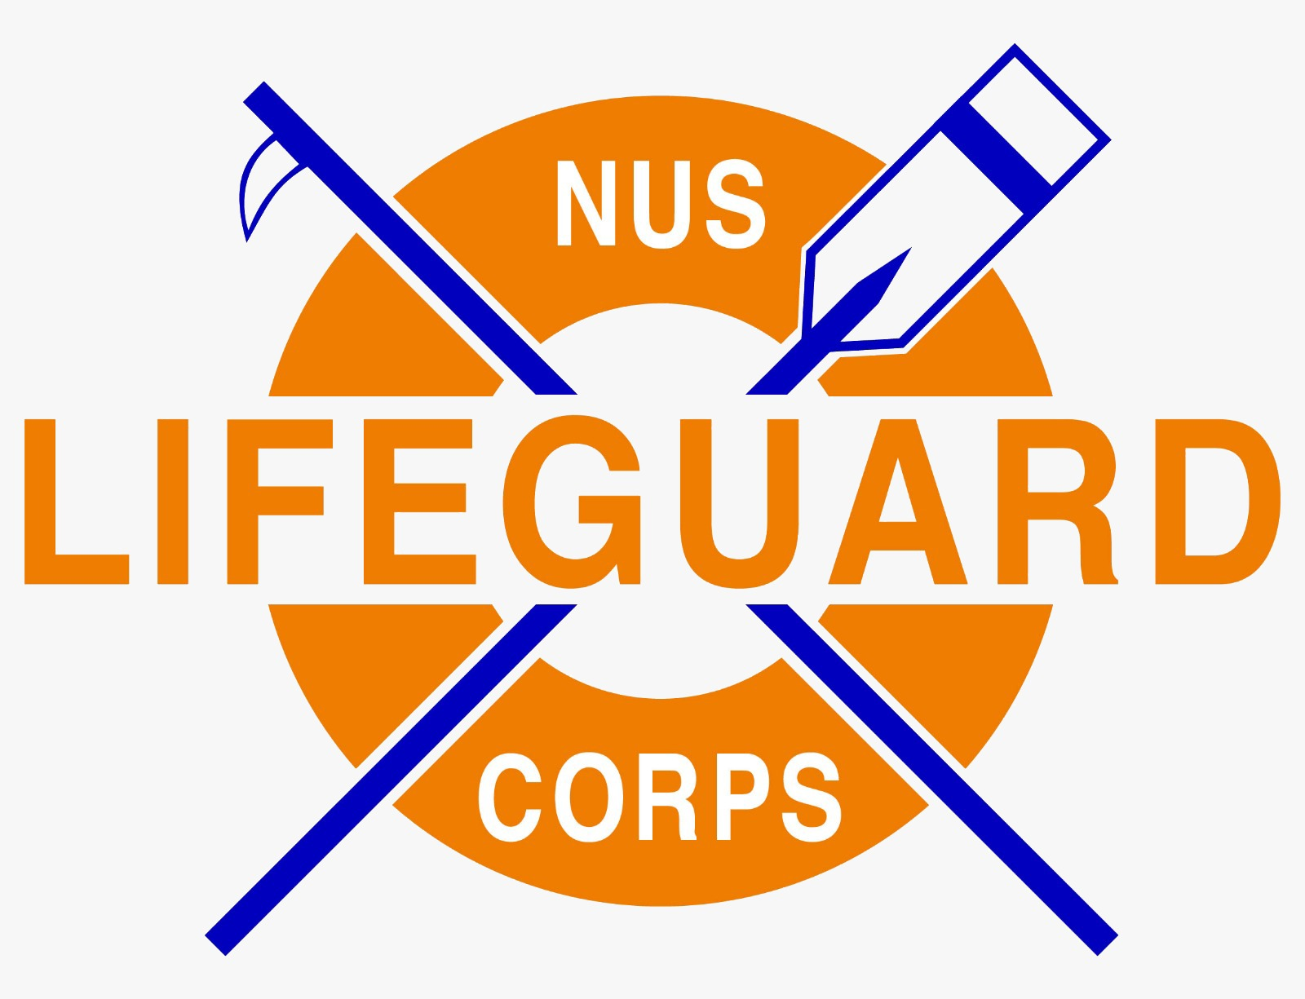
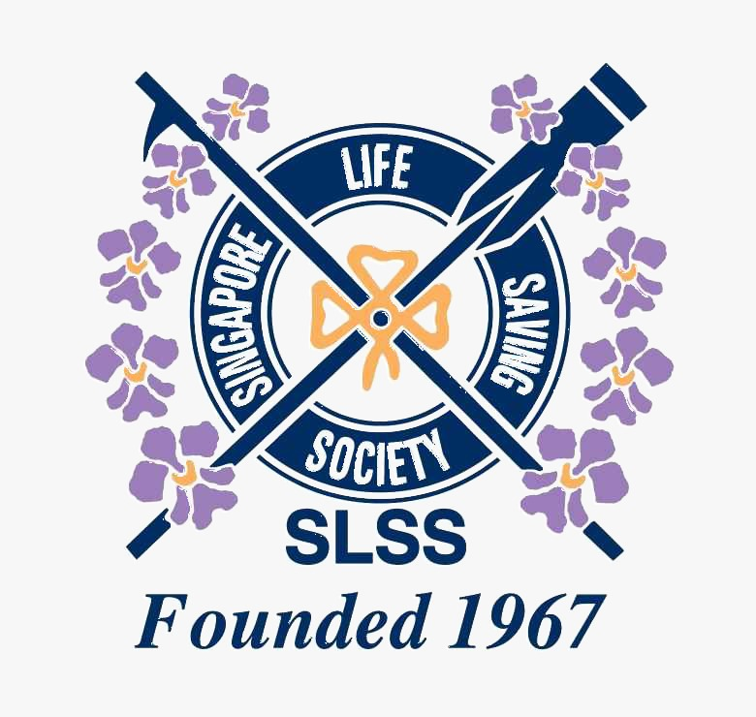
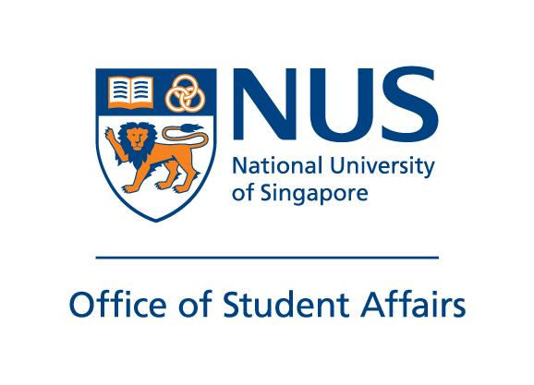

NUS INVITATIONAL LIFESAVING CHAMPIONSHIP 2025

 | Venue: | NUS University Sports Centre

 | Date: | 2025-06-28
 |  | 2025-06-29

Organised By: |  |  | Supported By:

INTRO
FOREWORD

NUS INVITATIONAL LIFESAVING CHAMPIONSHIP 2025

Ladies and gentlemen, distinguished guests, and esteemed participants, welcome to the grand and highly anticipated NUS Lifesaving Invitational Championship 2025! Today, we gather in great excitement to celebrate the virtues of teamwork, resilience, and unwavering dedication that each participant embodies in this significant event. Lifesaving transcends the realm of sport; it is a testament to the indomitable spirit and altruism of those committed to safeguarding lives. As we come together in the spirit of friendly competition, let us remember the profound importance of the skills and techniques we bring to the table. Each participant here represents the extraordinary potential to make a significant impact in critical situations, both in and out of the water. This championship is a distinguished platform to showcase the exceptional talents of our remarkable athletes. From the high-intensity races that test speed and agility to the meticulous challenges that demand precise knowledge and expertise, we are set to witness the incredible skill and steadfast dedication of these lifeguards. This event also offers a unique opportunity for exchange, where experiences are shared, invaluable lessons are learned, and lasting connections are formed. Through these connections, we strengthen our collective commitment to the noble cause of lifesaving. To all the athletes, coaches, officials, and volunteers who have gathered for this prestigious event, your relentless efforts and unwavering determination have brought us to this pivotal moment. I extend my deepest gratitude to each and every one of you. May this championship create unforgettable memories filled with extraordinary performances, personal growth, and a shared dedication to the noble mission of lifesaving. Let us inspire each other, offer unwavering support, and fully embrace the true spirit of sportsmanship as we embark on this thrilling journey at the esteemed NUS Lifesaving Invitational Championship 2025

